Feuil1
 |  |  |  |  |  |  |  |  |  |  |  |  |  |  |  |  |  |  | MALE |  |  |  |  |  |  |  |  |  |  |  |  |  |  |  |  |  |  |  |  |  | 36 | 36.5 | 37.5 | 38 | 38 | 38.5 | 39 | 39 | 40 | 40.5 | 41 | 42 | 42.5 | 43 | 44 | 44.5 | 45 | 45.5 | 46 | 47.5
 |  |  |  |  |  |  |  |  |  |  |  |  |  |  |  |  |  |  | FEMALE |  |  |  |  |  |  |  |  |  |  |  |  |  |  |  |  |  |  |  |  |  |  |  |  | 36 | 36 | 36.5 | 37.5 | 37.5 | 38 | 38.5 | 39 | 40 | 40.5 | 41 |  | 42.5
 |  |  |  |  |  |  |  |  |  |  |  |  |  |  |  |  |  |  | KIDS |  |  |  |  |  |  |  |  |  |  |  |  |  |  |  | 32 | 33 | 33.5 | 34 | 35 | 35.5 | 36 | 36.5 | 37.5 | 38 | 38 | 38.5 | 39 | 39 | 40 |  |  |  |  |  |  |  |  |  |  |  | 22 | 23 | 24 | 25 | 26 | 27 | 27.5 | 28 | 28.5 | 29.5 | 30 | 31 | 31.5
 |  |  |  |  |  |  |  |  |  |  |  |  |  |  |  |  |  |  | 6700
SEASON | ARTICLE | IMAGE 1 | IMAGE 2 | FULL ARTICLE | COLOR | COLOR DESCRIPTION | PRODUCT NAME | SUPPL. CATEGORY | SUPPL. DESCRIPTION | COMPOSITION 1 | COMPOSITION 2 | COMPOSITION 3 | PARENT GROUP | GENDER | BRAND | MADE IN | RRP | SIZE COUNT | QTY | UN | XXS | XS | S | M | L | XL | XXL | 2XL | 3XL | 5XL | S-M | L-XL | M-L | XL-XXL | 1 | 1.5 | 2 | 2.5 | 3 | 3.5 | 4 | 4.5 | 5 | 5.5 | 5+ | 6 | 6.5 | 6+ | 7 | 7+ | 8 | 8+ | 9 | 9+ | 10 | 10+ | 11 | 11+ | 12 | 13 | 5C | 6C | 7C | 8C | 9C | 10C | 10.5C | 11C | 11.5C | 12C | 12.5C | 13C | 13.5C | 28 | 29 | 30 | 31 | 32 | 33 | 34 | 35 | 36 | 37 | 38 | 39 | 40 | 41 | 42 | 43 | 45 | 46 | 68 | 74 | 80 | 86 | 92 | 98 | 0-3 | 3-6 | 6-9 | 7-8 | 9-12 | 11-12 | 13-14 | 27/30 | 31/34 | 35/38 | 39/42 | 43/46 | 65D | 65E | 65F | 65G | 65H | 65I | 70B | 70C | 70D | 70F | 70G | 75A | 75B | 75C | 75D | 75E | 75F | 75G | 75H | 80A | 80B | 80C | 80D | 80E | 80F | 80G | 80H | 80K | 80L | 85B | 85C | 85D | 85E | 85F | 85G | 85J | 90G | 90H

FW | S11470 | 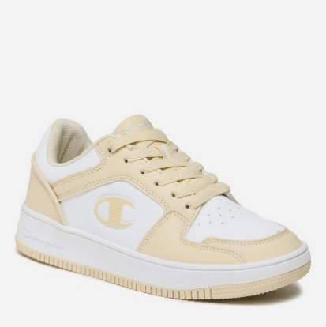 |  | S11470BS086 | BS086 | LT.BLUE/WH | SNEAKERS | MBC BASKETBALL | RD18 2.0 LOW LOW CUT SHOE | 100% POLYURETHANE | NO INFO | NO INFO | ADULT | FEMALE | CHAMPION | VIETNAM | €55.00 | 5 | 1067 |  |  |  |  |  |  |  |  |  |  |  |  |  |  |  |  |  |  |  |  |  |  |  |  |  |  |  |  | 170 | 128 |  | 313 | 408 |  | 48
FW | S11470 |  |  | S11470KK010 | KK010 | NBK | SNEAKERS | MBC BASKETBALL | RD18 2.0 LOW LOW CUT SHOE | 100% POLYURETHANE | NO INFO | NO INFO | ADULT | FEMALE | CHAMPION | VIETNAM | €55.00 | 5 | 297 |  |  |  |  |  |  |  |  |  |  |  |  |  |  |  |  |  |  |  |  |  |  |  |  |  |  |  |  | 70 | 3 |  | 73 | 143 |  | 8
FW | S11471 | 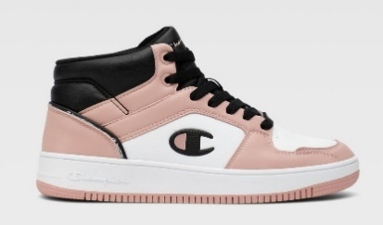 | 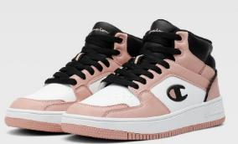 | S11471BS086 | BS086 | LT.BLUE/WH | SNEAKERS | 1CL SMU CPL | RD18 2.0 MID MID CUT SHOE | 100% POLYURETHANE | NO INFO | NO INFO | ADULT | FEMALE | CHAMPION | VIETNAM | €55.00 | 5 | 224 |  |  |  |  |  |  |  |  |  |  |  |  |  |  |  |  |  |  |  |  |  |  |  |  |  |  |  |  | 6 | 54 |  | 70 | 70 |  | 24
FW | S11471 |  |  | S11471KK001 | KK001 | NBK/WHT/PINK | SNEAKERS | 1CL SMU CPL | RD18 2.0 MID MID CUT SHOE | 100% POLYURETHANE | NO INFO | NO INFO | ADULT | FEMALE | CHAMPION | VIETNAM | €55.00 | 3 | 7 |  |  |  |  |  |  |  |  |  |  |  |  |  |  |  |  |  |  |  |  |  |  |  |  |  |  | 1 |  | 5 |  |  | 1
FW | S11471 |  |  | S11471KK005 | KK005 | NBK/RS GOL | SNEAKERS | 1CL SMU CPL | RD18 2.0 MID MID CUT SHOE | 100% POLYURETHANE | NO INFO | NO INFO | ADULT | FEMALE | CHAMPION | VIETNAM | €55.00 | 5 | 224 |  |  |  |  |  |  |  |  |  |  |  |  |  |  |  |  |  |  |  |  |  |  |  |  |  |  |  |  | 6 | 54 |  | 70 | 70 |  | 24
FW | S11471 |  |  | S11471YS085 | YS085 | SAND/WHT | SNEAKERS | 1CL SMU CPL | RD18 2.0 MID MID CUT SHOE | 100% POLYURETHANE | NO INFO | NO INFO | ADULT | FEMALE | CHAMPION | VIETNAM | €55.00 | 4 | 218 |  |  |  |  |  |  |  |  |  |  |  |  |  |  |  |  |  |  |  |  |  |  |  |  |  |  |  |  |  | 59 |  | 70 | 75 |  | 14
FW | S22294 | 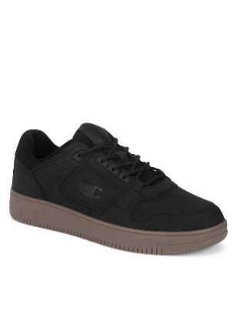 |  | S22294KK002 | KK002 | NBK/GUM | SNEAKERS | 1CL SMU CPL | RD18 LOW CORD LOW CUT SHOE | 90% POLYURETHANE 10% POLYESTER | NO INFO | NO INFO | ADULT | MALE | CHAMPION | CHINA | €54.95 | 3 | 920 |  |  |  |  |  |  |  |  |  |  |  |  |  |  |  |  |  |  |  |  |  |  |  |  |  |  |  |  |  |  |  |  | 350 |  | 230 | 340
FW | S22294 | 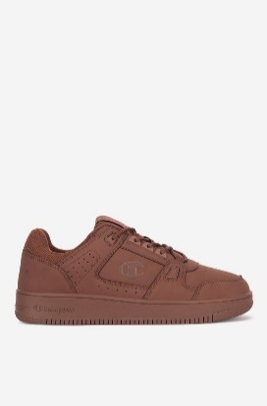 |  | S22294MS031 | MS031 | BRW | SNEAKERS | 1CL SMU CPL | RD18 LOW CORD LOW CUT SHOE | 90% POLYURETHANE 10% POLYESTER | NO INFO | NO INFO | ADULT | MALE | CHAMPION | CHINA | €54.95 | 5 | 1291 |  |  |  |  |  |  |  |  |  |  |  |  |  |  |  |  |  |  |  |  |  |  |  |  |  |  |  |  |  |  |  |  | 347 |  | 387 | 337 |  | 115 |  | 105
FW | S21906 |  |  | S21906BS160 | BS160 | E.BLUE/WHT | SNEAKERS | MBC BASKETBALL | RD18 2.0 LOW LOW CUT SHOE | 100% POLYURETHANE | NO INFO | NO INFO | ADULT | MALE | CHAMPION | CHINA | €49.95 | 7 | 832 |  |  |  |  |  |  |  |  |  |  |  |  |  |  |  |  |  |  |  |  |  |  |  |  |  |  |  |  |  |  |  | 20 | 200 |  | 215 | 215 |  | 90 |  | 75 | 17
FW | S21906 |  |  | S21906KK006 | KK006 | NBK MULTI | SNEAKERS | MBC BASKETBALL | RD18 2.0 LOW LOW CUT SHOE | 100% POLYURETHANE | NO INFO | NO INFO | ADULT | MALE | CHAMPION | CHINA | €49.95 | 4 | 9 |  |  |  |  |  |  |  |  |  |  |  |  |  |  |  |  |  |  |  |  |  |  |  |  |  |  |  |  |  |  |  |  |  |  |  | 3 |  | 2 | 2 | 2
FW | S21906 |  |  | S21906MS032 | MS032 | BRW/WHT/NB | SNEAKERS | MBC BASKETBALL | RD18 2.0 LOW LOW CUT SHOE | 100% POLYURETHANE | NO INFO | NO INFO | ADULT | MALE | CHAMPION | CHINA | €49.95 | 7 | 1611 |  |  |  |  |  |  |  |  |  |  |  |  |  |  |  |  |  |  |  |  |  |  |  |  |  |  |  |  |  |  |  | 90 | 410 |  | 465 | 285 |  | 180 |  | 144 | 37

